Year Max Temp
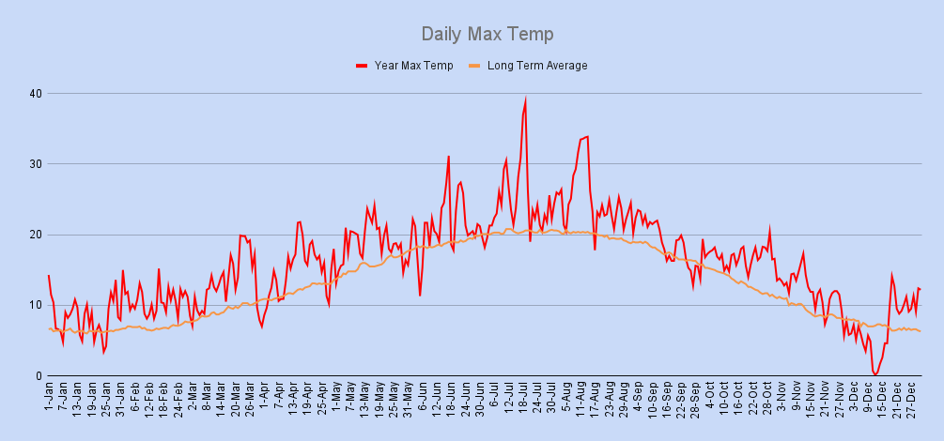

Year Min Temp
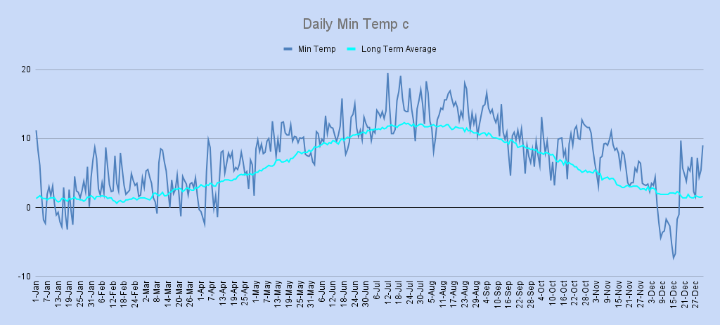

Year Wind Rose
Wind Rose

Year Wind Av & Max Gust
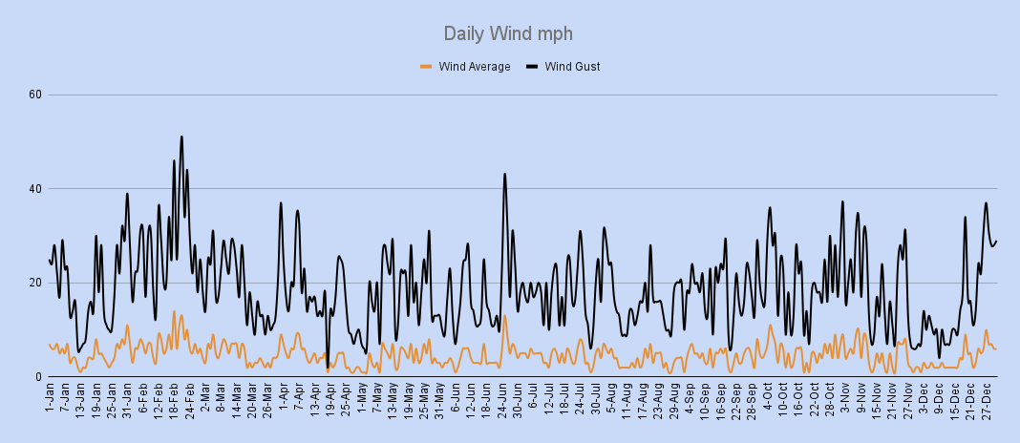

Year Rain
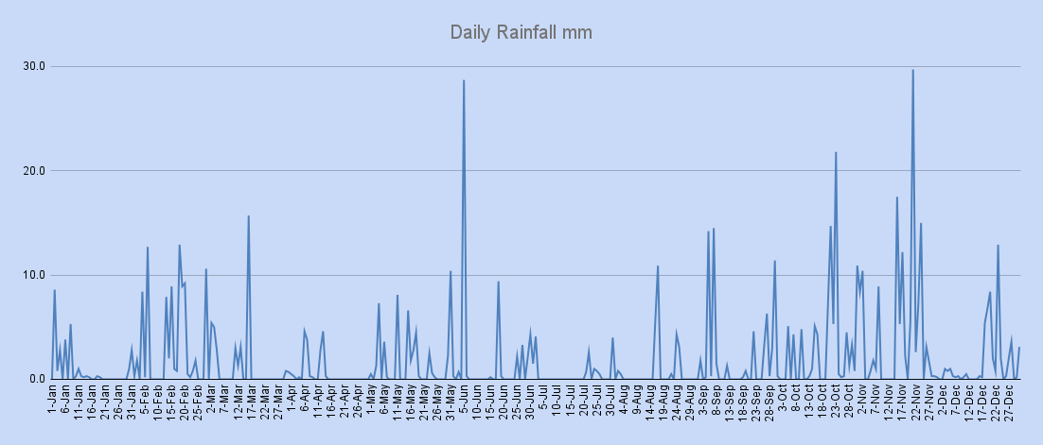

Year Snow
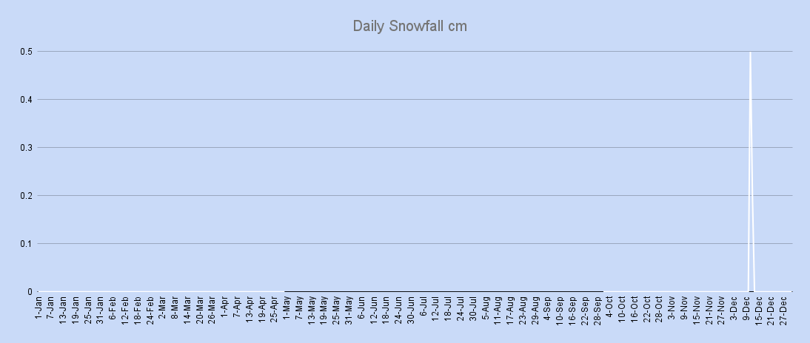

Year Air Pressure
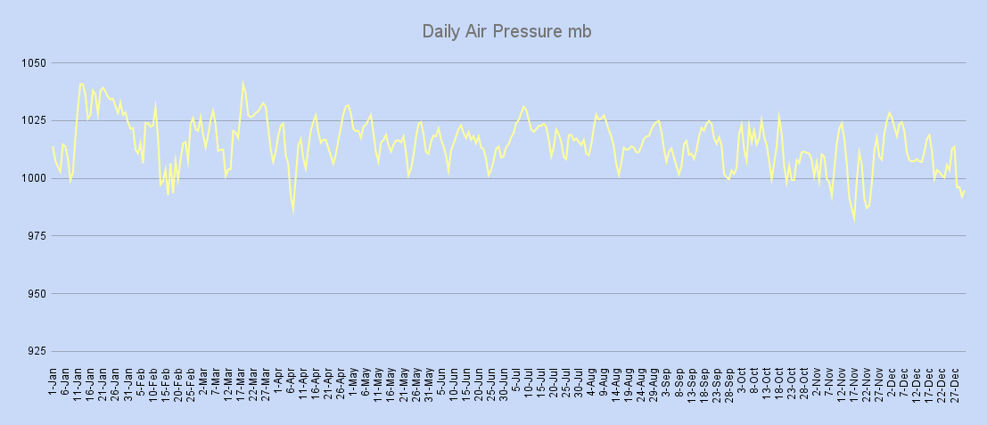

Sun Hours
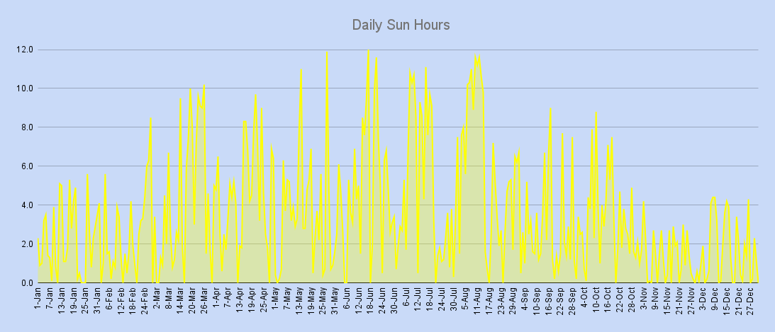

Daily Mean
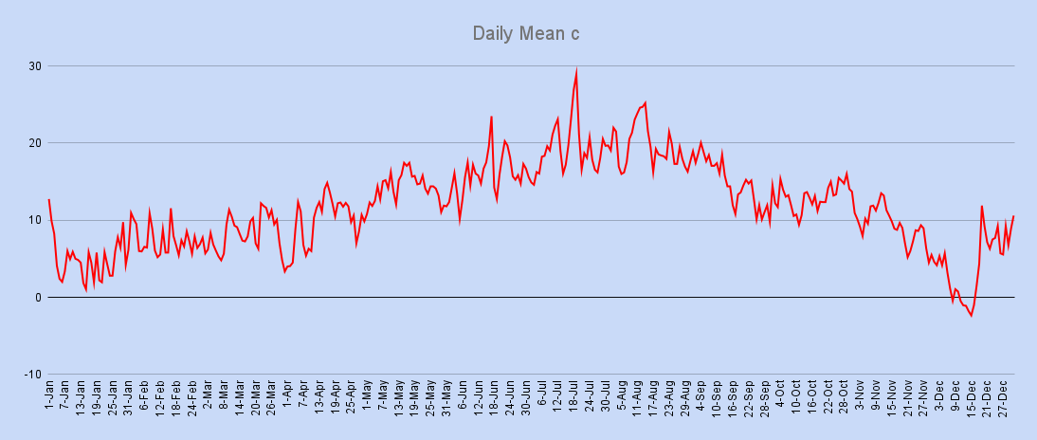

Monthly Mean
Monthly Mean c
 | Average | Actual

C.E.T,Rainfall & Sun Averages
Year Rainfall in mm
 | Tamworth Rainfall | Average Rainfall
Month | C.E.T Ave Temp 1991-2020 | C.E.T Ave Tamworth | C.E.T Ave Dfference
January | 4.5 | 4.9 | 0.4
February | 4.9 | 7.3 | 2.4
March | 6.7 | 7.9 | 1.2
April | 9.0 | 9.6 | 0.6
May | 11.9 | 13.6 | 1.7
June | 14.8 | 15.8 | 1.0
July | 17.0 | 18.9 | 1.9
August | 16.8 | 19.3 | 2.5
September | 14.3 | 14.4 | 0.1
October | 10.8 | 12.9 | 2.1
November | 7.2 | 9.1 | 1.9
December | 4.8 | 4.0 | -0.8
Year | 10.2 | 11.5 | 1.3

 |  |  |  | Ave Rainfall | jan | feb | mar | apr | may | jun | jul | aug | sep | oct | nov | dec | Year Total
 |  |  |  | 1991-2020 Ave | 63.6 | 46.9 | 46.6 | 48.1 | 53.8 | 64.9 | 52.9 | 66.2 | 58.1 | 72.8 | 69.6 | 64.7 | 708.2
 |  |  |  | 2022 | 27.9 | 88.9 | 37.8 | 17.6 | 53.0 | 51.8 | 15.2 | 25.7 | 63.7 | 96.2 | 134.4 | 52.3 | 664.5

Year Sun Hours

 |  |  |  | Ave Sun Hours | jan | feb | mar | apr | may | jun | jul | aug | sep | oct | nov | dec | Year Total
 |  |  |  | 1991-2020 Ave | 55.1 | 72 | 116.7 | 147.1 | 193.3 | 192.6 | 194 | 170.7 | 130.7 | 100.2 | 66.2 | 62.6 | 1501.2
 |  |  |  | 2022 | 68.2 | 69.3 | 131.6 | 135.4 | 111.9 | 146.8 | 145.1 | 182.8 | 88.1 | 104.4 | 38.9 | 52.2 | 1274.7

